AFS Summary & Charts 15yrs
 | 1,000,000 | 1,000,000 | 1,000,000 | 1,000,000 | 1,000,000 | 1,000,000 | 1,000,000 | 1,000,000 | 1,000,000 | 1,000,000 | 1,000,000 | 1,000,000 | 1,000,000 | 1,000,000 | 1,000,000
City of Joburg |  |  |  |  |  |  |  |  |  |  |  | Contents!E9
Analysis of Selected Income and Costs per CoJ Audited Annual Financial Statements
2010 to 2024
30 May 2025
 | CoJ Audited Annual Financial Statements 2011-2024 |  |  |  |  |  |  |  |  |  |  |  |  |  |  | Average Annual % Increase over 14 years
 | R Bn | R Bn | R Bn | R Bn | R Bn | R Bn | R Bn | R Bn | R Bn | R Bn | R Bn | R Bn | R Bn | R Bn | R Bn
 | 2009/10 | 2010/11 | 2011/12 | 2012/13 | 2013/14 | 2014/15 | 2015/16 | 2016/17 | 2017/18 | 2018/19 | 2019/20 | 2020/21 | 2021/22 | 2022/23 | 2023/24

Total Revenue | 26.09 | 29.82 | 34.24 | 34.92 | 38.43 | 41.44 | 43.84 | 45.42 | 47.48 | 55.27 | 57.98 | 61.16 | 62.62 | 64.04 | 74.00
Revenue compared to 2010 | 100% | 114% | 131% | 134% | 147% | 159% | 168% | 174% | 182% | 212% | 222% | 234% | 240% | 245% | 284% | 13.1%
Annual % Increase |  | 14.3% | 14.8% | 2.0% | 10.1% | 7.8% | 5.8% | 3.6% | 4.5% | 16.4% | 4.9% | 5.5% | 2.4% | 2.3% | 15.6%

Property Rates Income | 4.05 | 4.93 | 5.41 | 5.98 | 7.22 | 7.67 | 8.14 | 9.11 | 9.11 | 12.37 | 12.55 | 13.04 | 13.50 | 14.05 | 16.80
Property Rates Income compared to 2010 | 100% | 122% | 134% | 148% | 178% | 190% | 201% | 225% | 225% | 305% | 310% | 322% | 333% | 347% | 415% | 22.5%
Annual % Increase |  | 21.8% | 9.7% | 10.4% | 20.7% | 6.4% | 6.0% | 12.0% | 0.0% | 35.8% | 1.5% | 3.9% | 3.6% | 4.1% | 19.6%

Service Charge Income | 12.48 | 15.21 | 18.14 | 19.31 | 20.12 | 21.50 | 23.33 | 25.09 | 24.82 | 27.29 | 29.48 | 30.30 | 33.22 | 32.67 | 37.94
Service Charge Income compared to 2010 | 100% | 122% | 145% | 155% | 161% | 172% | 187% | 201% | 199% | 219% | 236% | 243% | 266% | 262% | 304% | 14.6%
Annual % Increase |  | 21.9% | 19.2% | 6.5% | 4.2% | 6.9% | 8.5% | 7.6% | -1.1% | 9.9% | 8.0% | 2.8% | 9.7% | -1.7% | 16.1%

 | R Bn | R Bn | R Bn | R Bn | R Bn | R Bn | R Bn | R Bn | R Bn | R Bn | R Bn | R Bn | R Bn | R Bn | R Bn
 | 2009/10 | 2010/11 | 2011/12 | 2012/13 | 2013/14 | 2014/15 | 2015/16 | 2016/17 | 2017/18 | 2018/19 | 2019/20 | 2020/21 | 2021/22 | 2022/23 | 2023/24
Employment Costs | 5.93 | 6.47 | 6.88 | 7.45 | 7.94 | 8.59 | 9.00 | 9.86 | 10.68 | 12.58 | 14.36 | 15.27 | 16.13 | 17.61 | 19.36
Employement Costs Compared to 2010 | 100% | 109% | 116% | 126% | 134% | 145% | 152% | 166% | 180% | 212% | 242% | 258% | 272% | 297% | 327% | 16.2%
Annual % Increase |  | 9.2% | 6.3% | 8.3% | 6.6% | 8.1% | 4.8% | 9.5% | 8.4% | 17.7% | 14.2% | 6.3% | 5.6% | 9.2% | 9.9%

 | R Bn | R Bn | R Bn | R Bn | R Bn | R Bn | R Bn | R Bn | R Bn | R Bn | R Bn | R Bn | R Bn | R Bn | R Bn
 | 2009/10 | 2010/11 | 2011/12 | 2012/13 | 2013/14 | 2014/15 | 2015/16 | 2016/17 | 2017/18 | 2018/19 | 2019/20 | 2020/21 | 2021/22 | 2022/23 | 2023/24
Debt Impairment | 2.08 | 2.78 | 2.19 | 2.88 | 2.98 | 3.86 | 2.48 | 3.72 | 3.38 | 4.58 | 6.93 | 6.40 | 5.85 | 6.18 | 8.74
Debt Impairment Compared to 2010 | 100% | 134% | 105% | 138% | 143% | 186% | 119% | 179% | 162% | 220% | 333% | 308% | 281% | 297% | 420% | 22.9%
Annual % Increase |  | 33.7% | -21.2% | 31.4% | 3.4% | 29.7% | -35.7% | 49.9% | -9.2% | 35.5% | 51.2% | -7.5% | -8.7% | 5.7% | 41.4%

Capital Expenditure | 4.63 | 3.78 | 3.68 | 4.32 | 7.30 | 9.82 | 10.03 | 7.10 | 6.35 | 7.27 | 5.76 | 6.78 | 6.62 | 6.55 | 7.65
Capital Expenditure Compared to 2010 | 100% | 82% | 79% | 93% | 158% | 212% | 217% | 154% | 137% | 157% | 124% | 147% | 143% | 141% | 165% | 4.7%
Annual % Increase |  | -18.2% | -2.8% | 17.5% | 68.9% | 34.5% | 2.1% | -29.2% | -10.5% | 14.5% | -20.9% | 17.8% | -2.4% | -1.1% | 16.9%

Capital Expenditure with 2009 Base & Average Inflation | 1.00 | 1.09 | 1.16 | 1.22 | 1.30 | 1.36 | 1.44 | 1.52 | 1.59 | 1.65 | 1.71 | 1.78 | 1.91 | 2.02 | 2.12
Current Capital Expenditure in Real Terms using 2009/10 as the base | 4.63 | 3.46 | 3.18 | 3.54 | 5.63 | 7.24 | 6.96 | 4.68 | 4.00 | 4.40 | 3.37 | 3.80 | 3.47 | 3.24 | 3.62 | 60.61
Capex in 2024 expressed as % of 2010 |  |  |  |  |  |  |  |  |  |  |  |  |  |  |  | 78%

Unauthorised, Irregular, Fruitless & Wasteful Expenditure | 0.2 | 0.6 | 0.8 | 0.2 | 0.1 | 1.2 | 0.9 | 2.1 | 2.1 | 2.8 | 3.9 | 3.7 | 5.0 | 4.7 | 11.3
Capital Expenditure Compared to 2010 |  | 346% | 490% | 141% | 35% | 754% | 575% | 1300% | 1333% | 1758% | 2411% | 2334% | 3115% | 2934% | 7057% | 496.9%
 |  | 245.8% | 41.7% | -71.3% | -74.8% | 2031.0% | -23.7% | 125.9% | 2.6% | 31.8% | 37.2% | -3.2% | 33.5% | -5.8% | 140.5%

 | 2009/10 | 2010/11 | 2011/12 | 2012/13 | 2013/14 | 2014/15 | 2015/16 | 2016/17 | 2017/18 | 2018/19 | 2019/20 | 2020/21 | 2021/22 | 2022/23 | 2023/24
Debt Impairment and Unauthorised, Fruitless & Wasteful Expenditure Combined as a Factor of Capital Expenditure | 48.4% | 88.1% | 80.9% | 71.8% | 41.6% | 51.6% | 33.9% | 81.7% | 86.7% | 101.6% | 187.3% | 149.4% | 163.5% | 166.1% | 261.8%
Debt Impairment and Unauthorised, Fruitless & Wasteful Expenditure Combined expressed as a Percentage of Capital Expenditure
Capital Expenditure v Debt Impairment v Unauthorised, Irregular, Fruitless & Wasteful Expenditure (R'Bn)

Over time, Capital Expenditure has decreased, while Debt Impairment and Unauthorised, Irregular and Fruitless & Wasteful Expenditure has increased.
In 2009/10, Debt Impairment and Unauthorised, Irregular and Fruitless & Wasteful Expenditure combined were 48% of Capital Expenditure.
In 2015/16, this ratio had reduced to 34%, after which it increased significantly every year.
In 2023/24 this ratio had increased to 262%. This is unsustainable.
Key Income & Costs (R'Bn)

 |  |  |  |  |  |  |  |  |  |  |  |  |  |  | Revenue, Operating Costs, Debt Impairment and UIFWe follow a similar increasing trend, while Capital Expenditure has reduced since 2016.

Key Income & Costs Compared to 2010 as % Increase Over Time (Excluding UIFWe)

Property Rates Income and Debt Impairment showed the biggest % increase since 2010 and Unauthorised, Irregular, Fruitless and Wasteful Expenditure has increased the most since 2017, especially recently.

Key Income & Costs Compared to 2010 as % Increase Over Time (Including UIFWe)
 | Total Revenue | Property Rates Income | Service Charge Income | Employment Costs | Capital Expenditure | Debt Impairment | Unauthorised, Irregular, Fruitless & Wasteful Expenditure
2009/10 | 100% | 100% | 100% | 100% | 100% | 100%
2010/11 | 114% | 122% | 122% | 109% | 82% | 134% | 346%
2011/12 | 131% | 134% | 145% | 116% | 79% | 105% | 490%
2012/13 | 134% | 148% | 155% | 126% | 93% | 138% | 141%
2013/14 | 147% | 178% | 161% | 134% | 158% | 143% | 35%
2014/15 | 159% | 190% | 172% | 145% | 212% | 186% | 754%
2015/16 | 168% | 201% | 187% | 152% | 217% | 119% | 575%
2016/17 | 174% | 225% | 201% | 166% | 154% | 179% | 1300%
2017/18 | 182% | 225% | 199% | 180% | 137% | 162% | 1333%
2018/19 | 212% | 305% | 219% | 212% | 157% | 220% | 1758%
2019/20 | 222% | 310% | 236% | 242% | 124% | 333% | 2411%
2020/21 | 234% | 322% | 243% | 258% | 147% | 308% | 2334%
2021/22 | 240% | 333% | 266% | 272% | 143% | 281% | 3115%
2022/23 | 245% | 347% | 262% | 297% | 141% | 297% | 2934%
2023/24 | 284% | 415% | 304% | 327% | 165% | 420% | 7057%

CoJ Property Rates Income 2010 to 2022 (R'Bn)

Tables & Charts 7yrs
 |  | 1,000,000 | 1,000,000 | 1,000,000 | 1,000,000 | 1,000,000 | 1,000,000 | 1,000,000 | 1,000,000 | 1,000,000
 | City of Joburg |  |  |  |  |  |  | Contents!E9
 | Analysis of Selected Income and Costs
 | Source: municipalities.co.za website
 | https://municipalities.co.za/financial/2/city-of-johannesburg-metropolitan-municipality

1 | Revenue v Selected Costs
 |  |  |  | R Bn | R Bn | R Bn | R Bn | R Bn | R Bn | R Bn
 |  | 2015/16 | 2016/17 | 2017/18 | 2018/19 | 2019/20 | 2020/21 | 2021/22 | 2022/23 | 2023/24
 | Revenue | - | - | 51 | 61 | 63 | 68 | 61 | 64 | 74
 | Employment Costs | - | - | 12 | 14 | 15 | 16 | 16 | 18 | 19
 | Capital Expenditure | - | - | 5 | 0 | 6 | 6 | 7 | 7 | 8
 | Materials & Bulk Purchases | - | - | 17 | 17 | 18 | 19 | 21 | 22 | 25
 | Debt Impairment | 2 | 4 | 3 | 5 | 7 | 6 | 6 | 6 | 9
 | Unauthorised, Irregular, Fruitless & Wasteful Expenditure | 1 | 2 | 2 | 3 | 4 | 4 | 5 | 6 | 13

 | Unauthorised, Irregular, Fruitless & Wasteful Expenditure
 | Unauthorised expenditure | 0 | 0 | 0 | 0 | 1 | 1 | 1 | 4 | 9
 | Irregular expenditure | 1 | 1 | 2 | 2 | 3 | 3 | 3 | 2 | 4
 | Fruitless & wasteful expenditure | 0 | 1 | 0 | 0 | 0 | 0 | 1 | 0 | 0
 | Unauthorised, Irregular, Fruitless & Wasteful Expenditure | 1 | 2 | 2 | 3 | 4 | 4 | 5 | 6 | 13
Revenue v Selected Costs

 |  |  |  |  |  |  |  | Revenue is increasing at a higher trajectory than all costs, except Unauthorised, Irregular and Fruitless & Wasteful Expenditure.

Selected Costs

 |  |  |  |  |  |  |  | Since 2020/21 Capital Expenditure and Debt Impairment have been roughly the same amount. Unauthorised, Irregular and Fruitless & Wasteful Expenditure has been growing and in 2023/24 significantly exceeded Capital Expenditure.

2
 |  | 2015/16 | 2016/17 | 2017/18 | 2018/19 | 2019/20 | 2020/21 | 2021/22 | 2022/23 | 2023/24
 | Employment Costs | 9 | 10 | 12 | 14 | 15 | 16 | 16 | 18 | 19
 | Total Employee Positions Filled | 27,966 | 27,965 | 27,472 | 32,546 | 38,024 | 37,609 | 38,309 | - | -
 | Average cost per position filled (R'000) | 322 | 367 | 423 | 416 | 391 | 421 | 411 | - | -

Employment Costs v No. of Positions Filled

Oversight Report Summary 2024
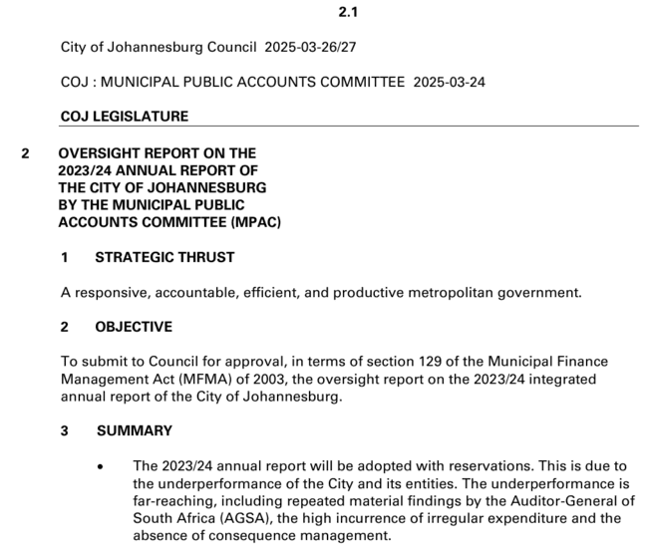
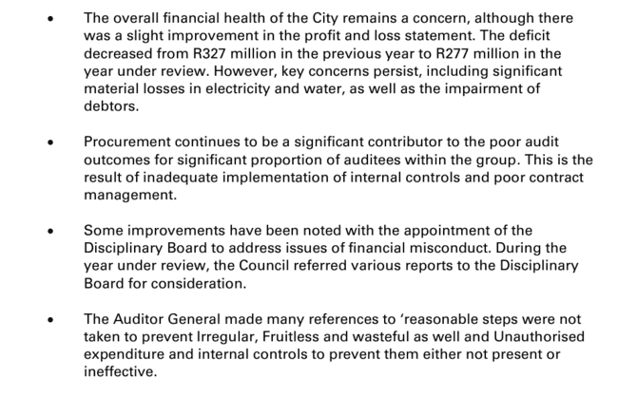
Contents!E9

Audited AFS 14yrs
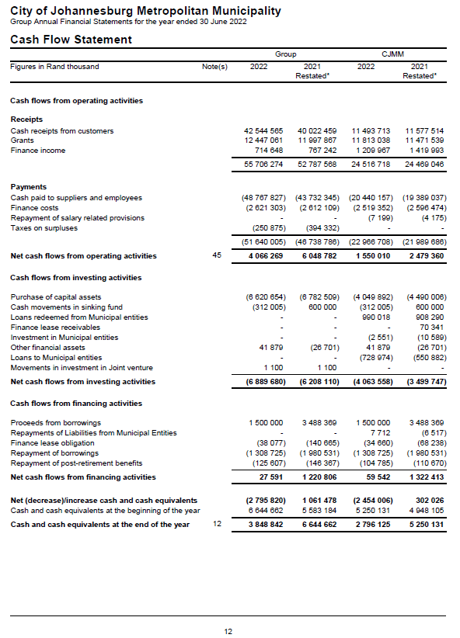
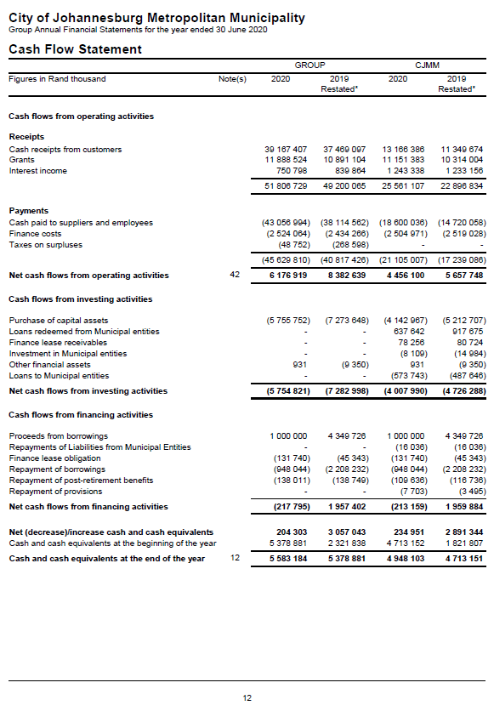
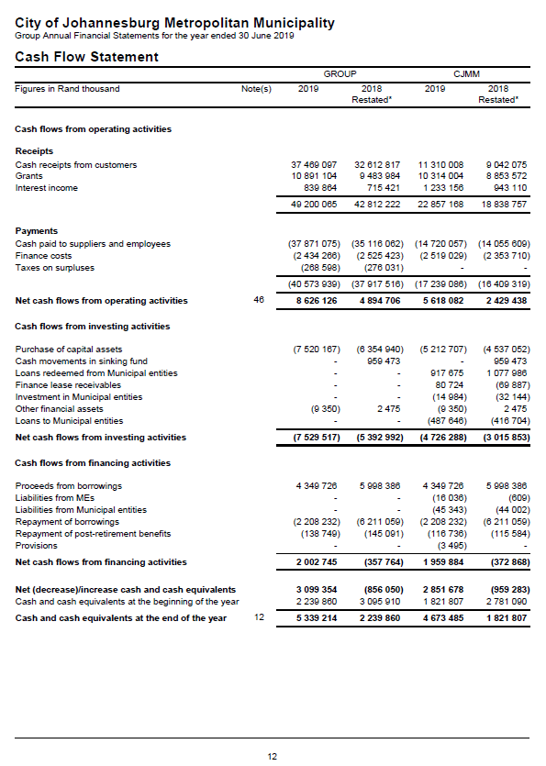
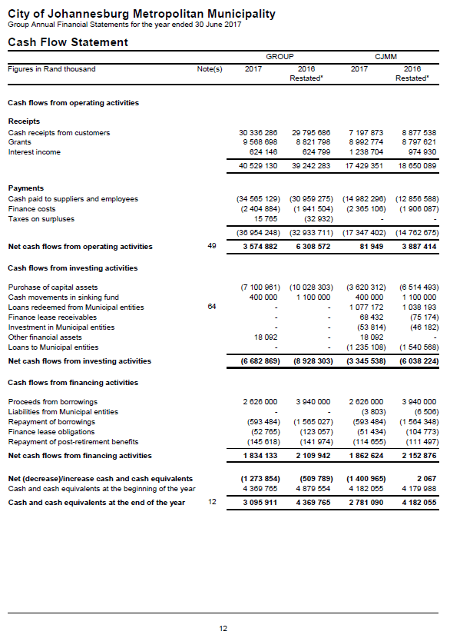
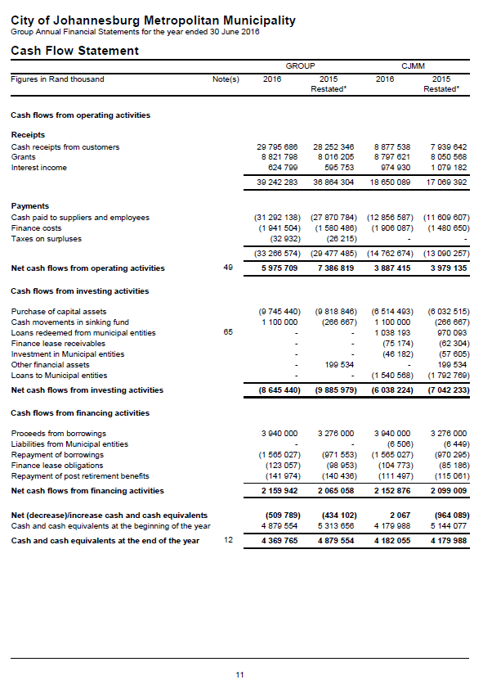
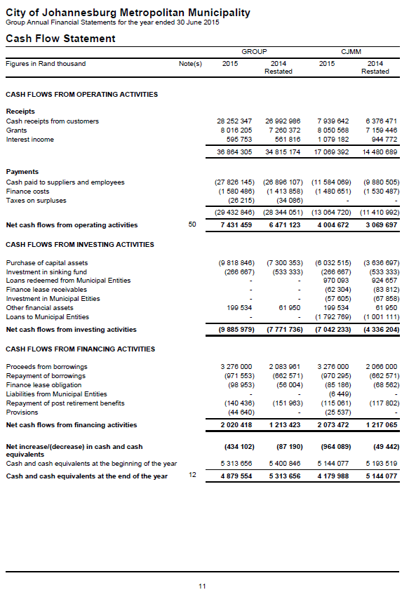
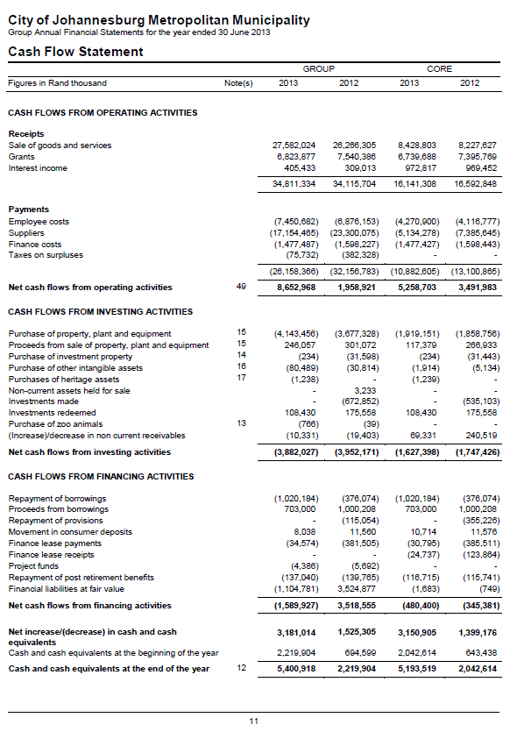
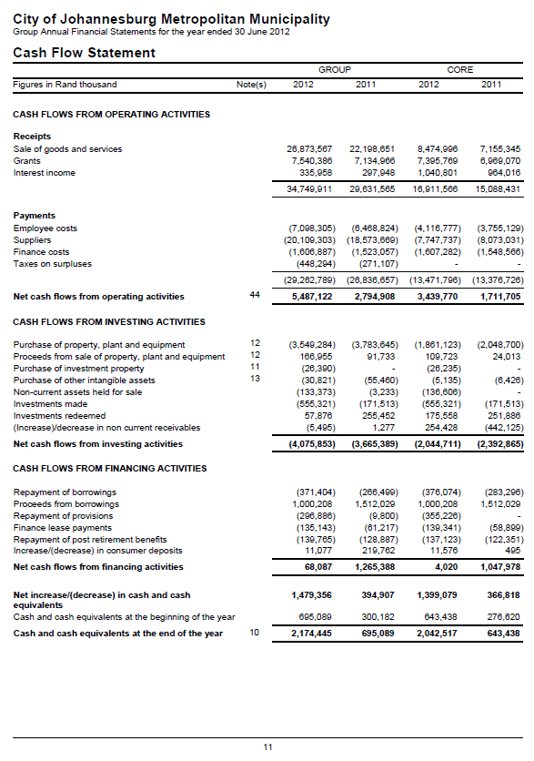
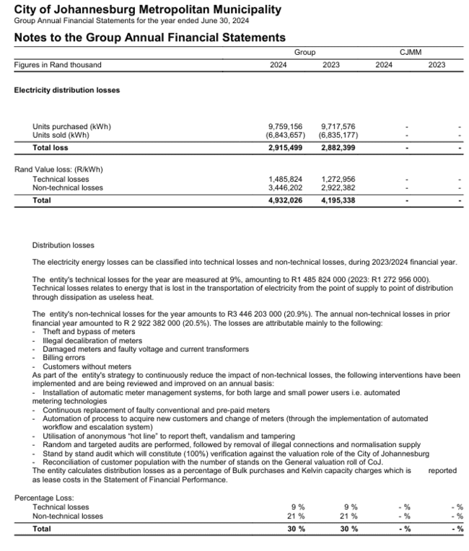
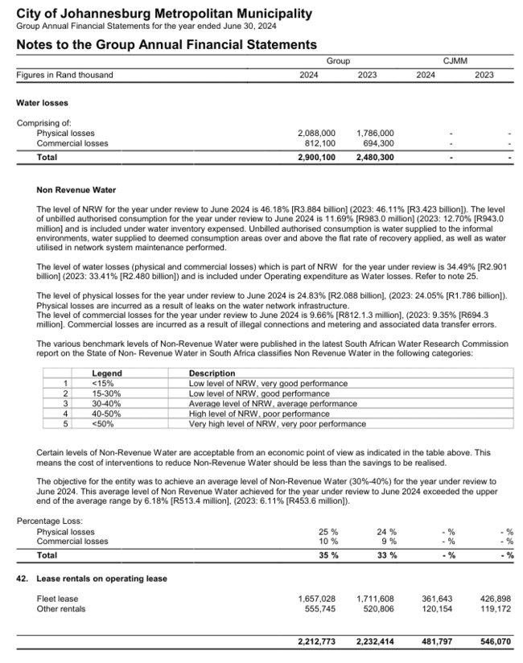
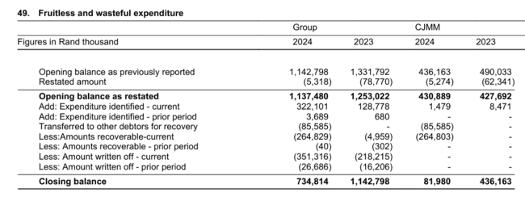
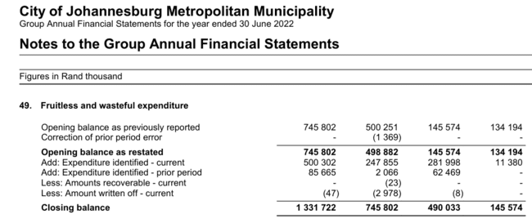
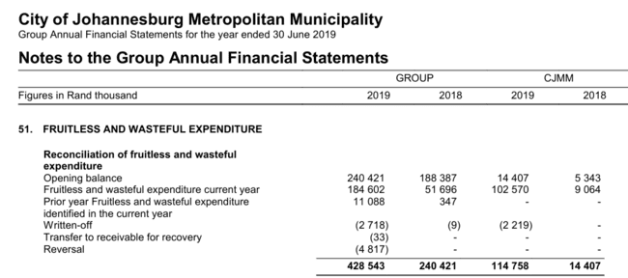
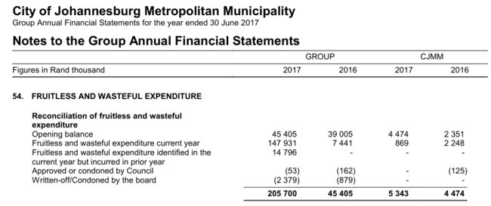
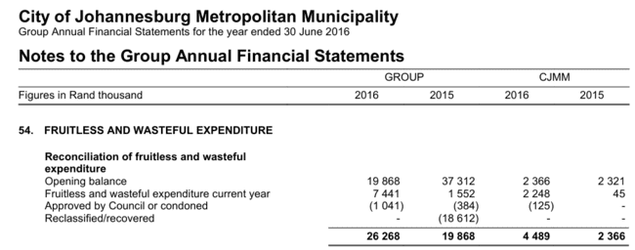
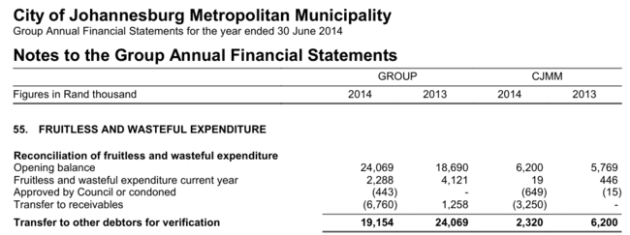
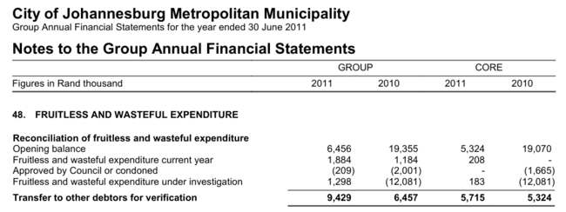
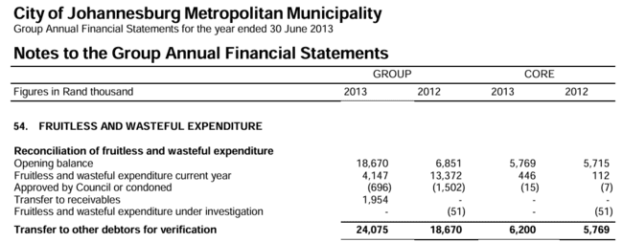
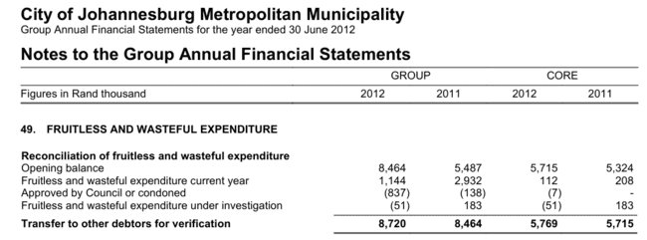
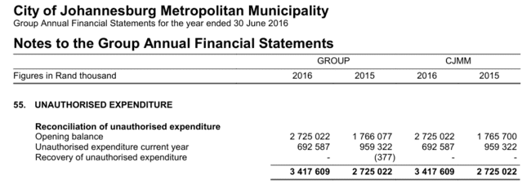
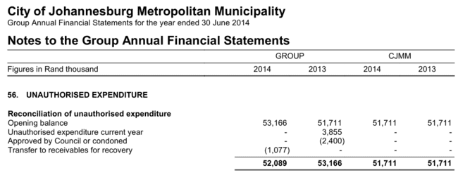
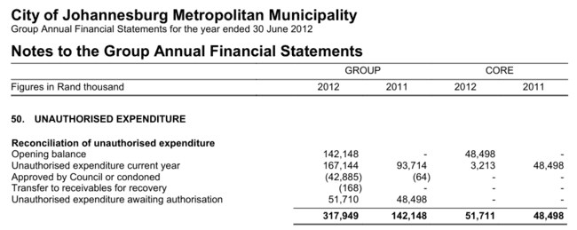
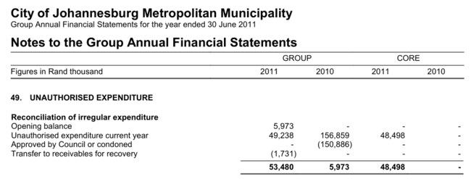
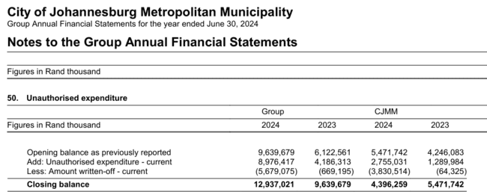
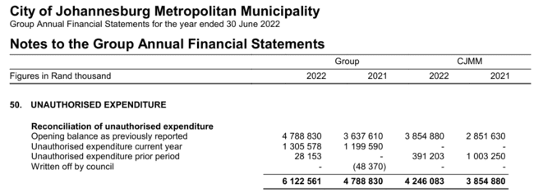
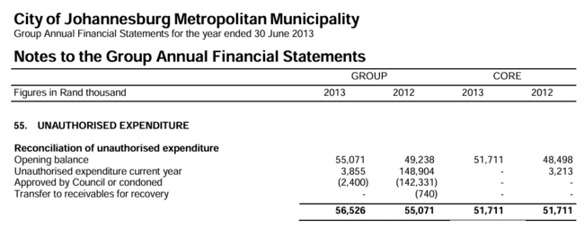
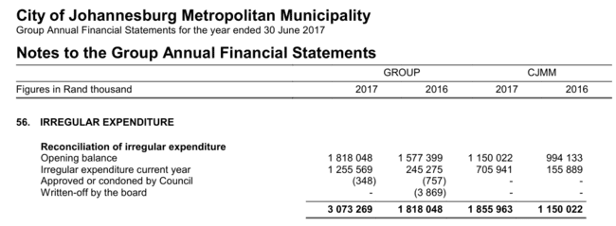
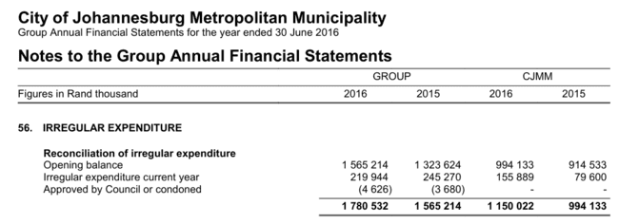
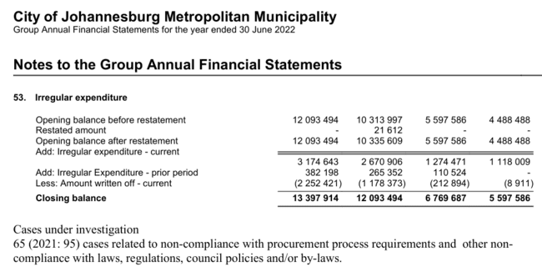
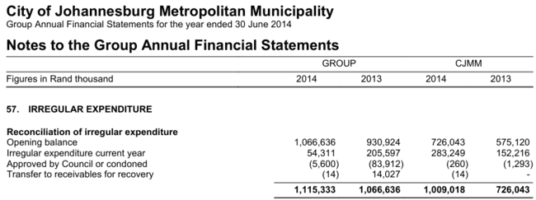
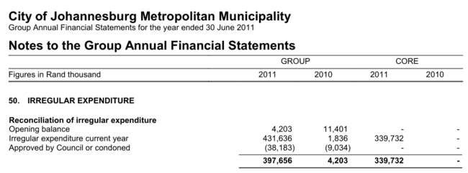
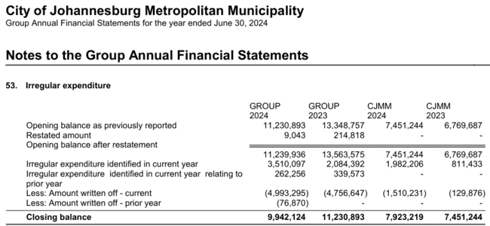
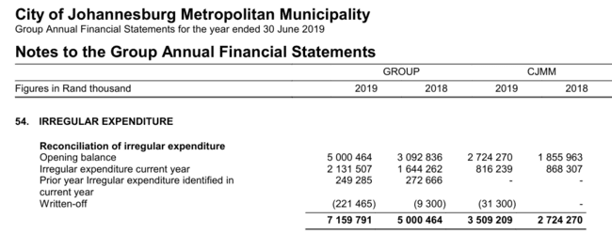
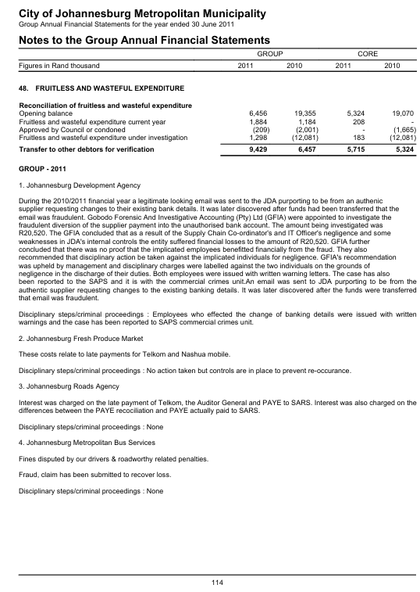
City of Joburg
Extracts from Audited Annual Financial Statements
Source: | PDF file attached to email from Katherine |  | https://lg.treasury.gov.za/supportingdocs/JHB/JHB_Financial%20Statement%20Audited_2022_Y_20230113T143840Z_nselelon.pdf

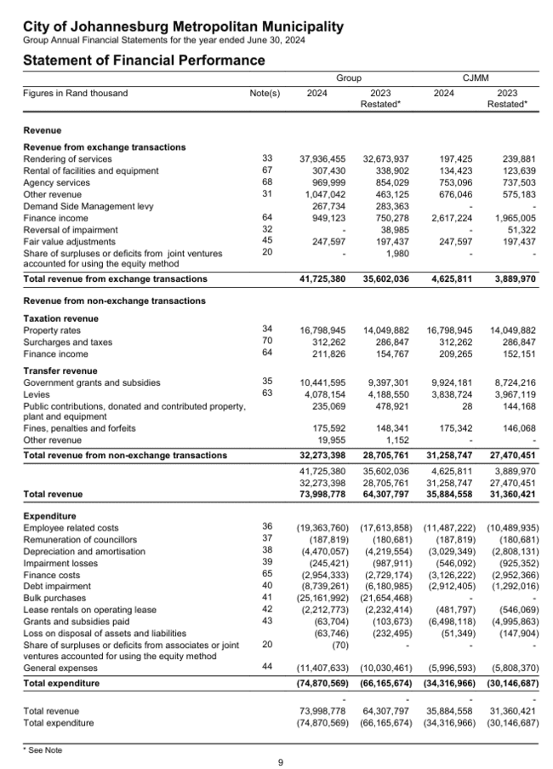
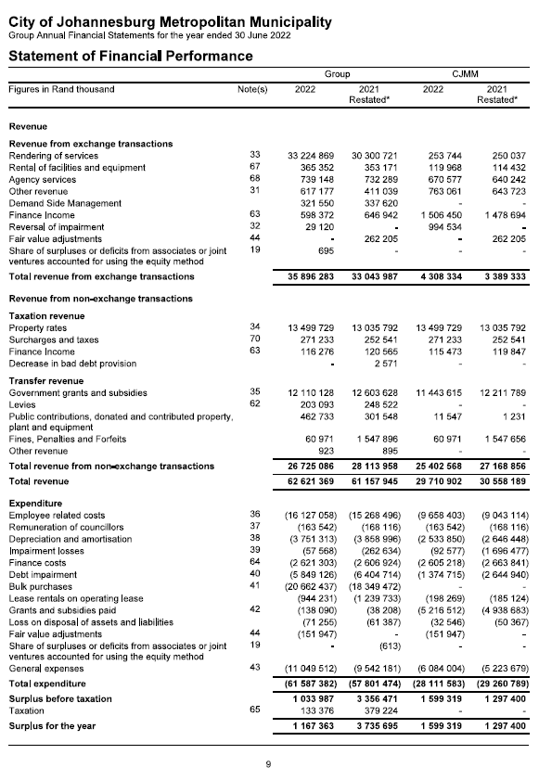
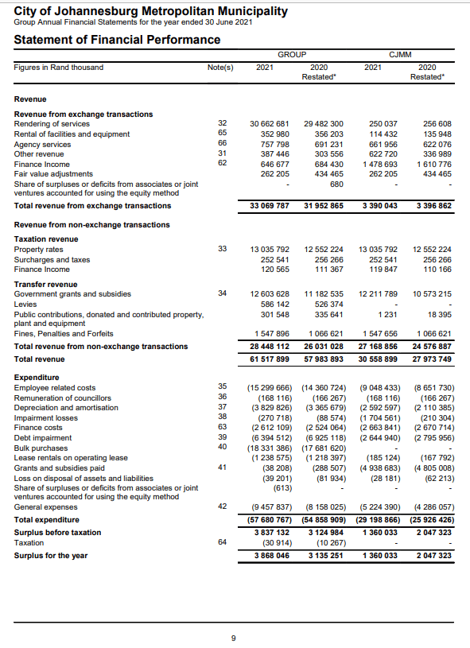
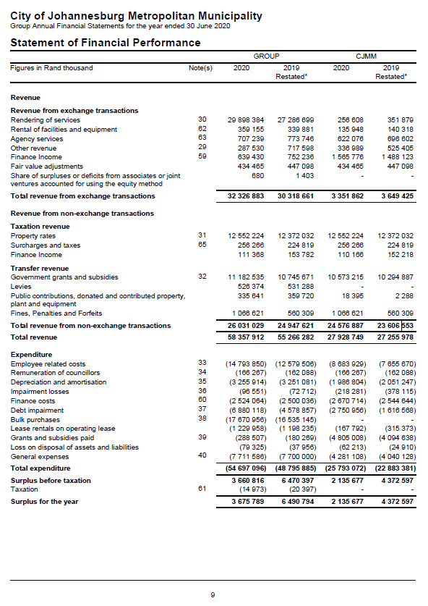
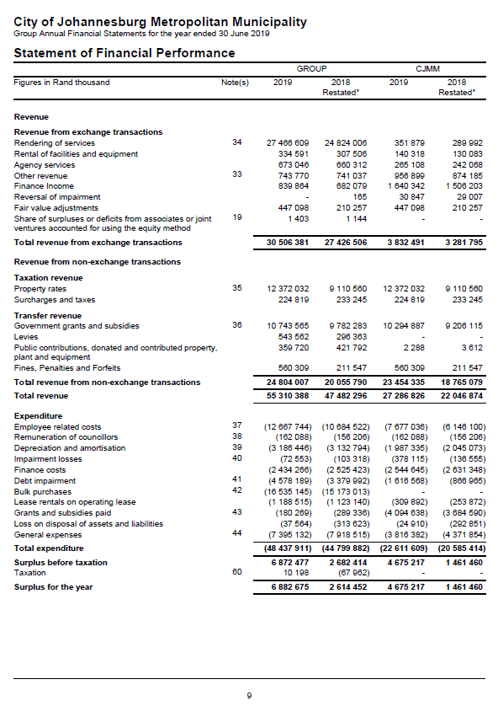
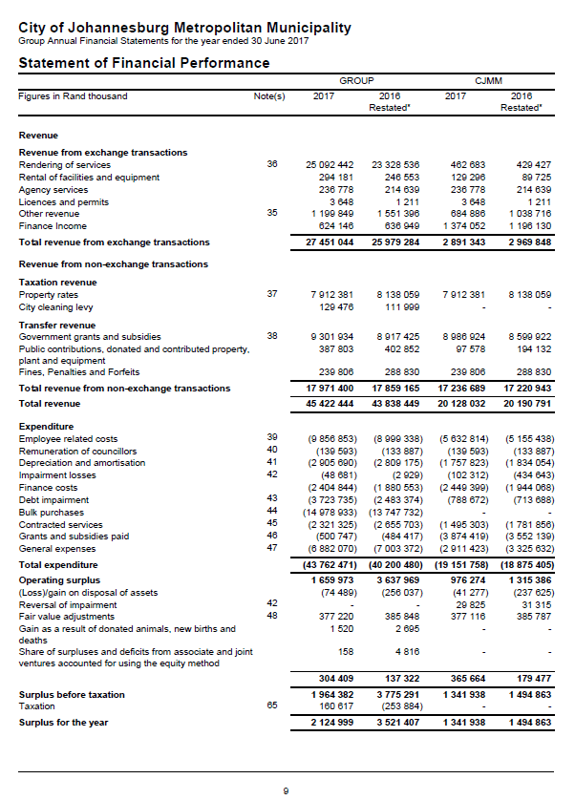
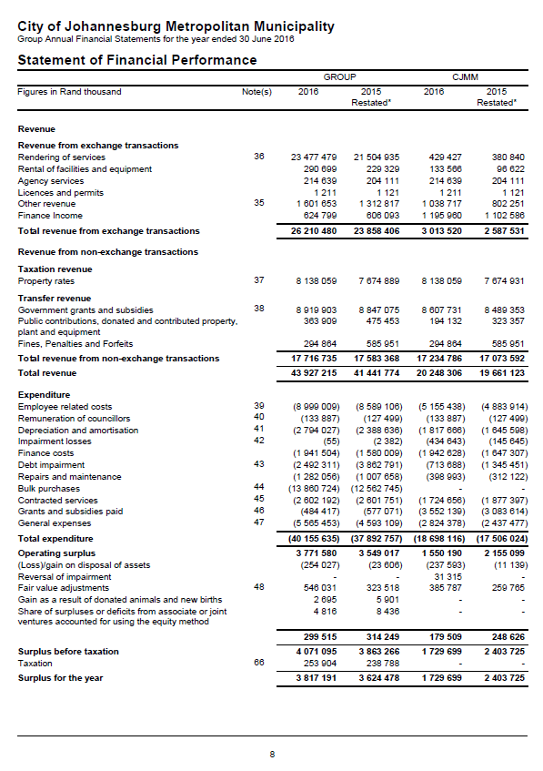
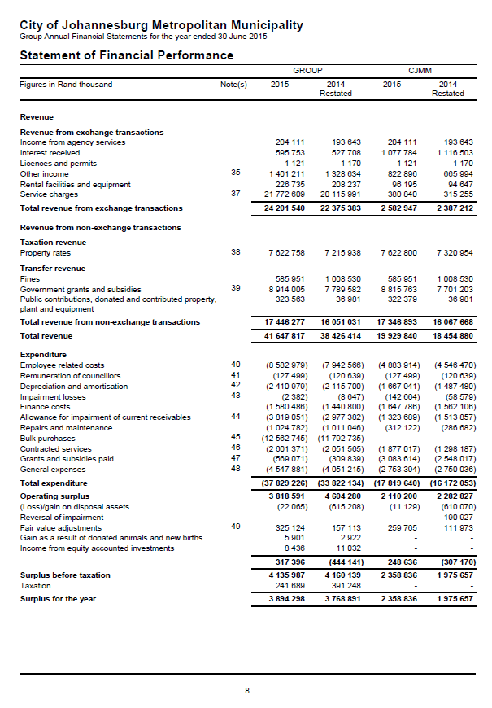
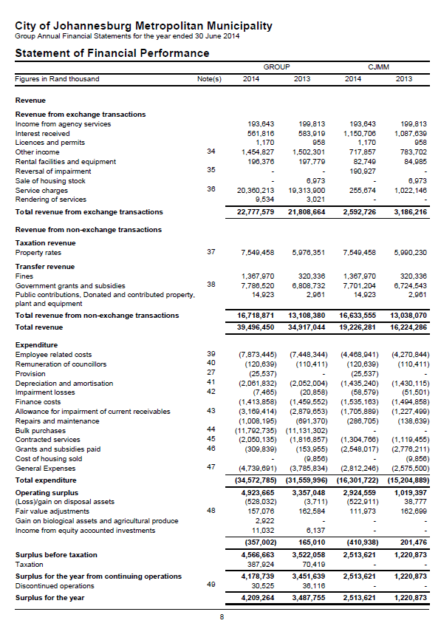
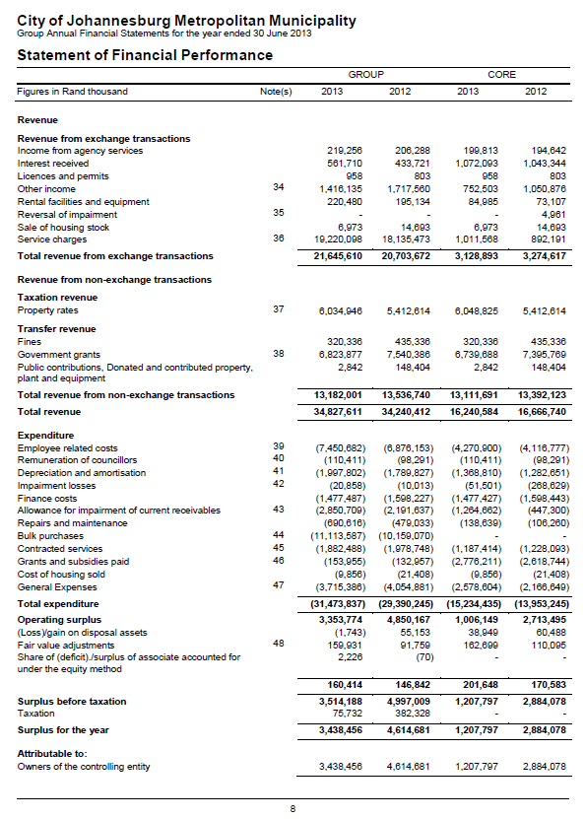
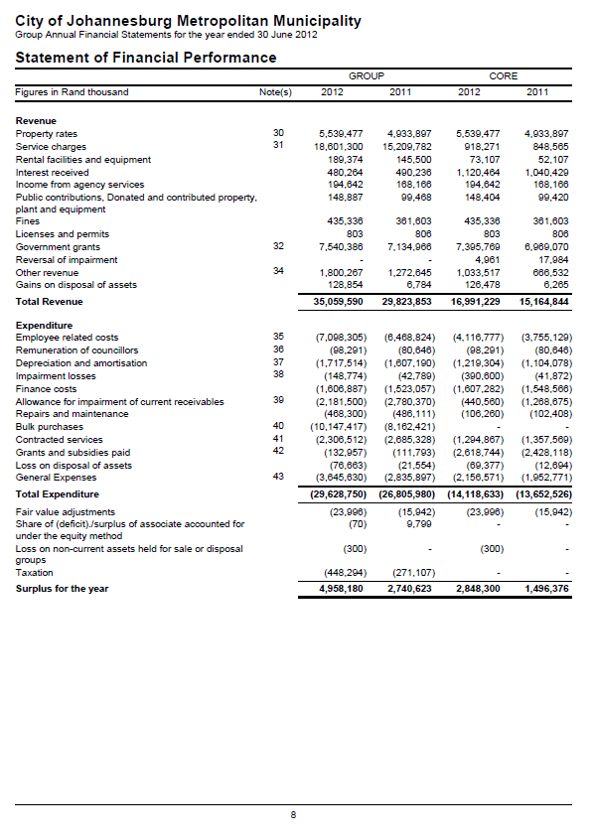
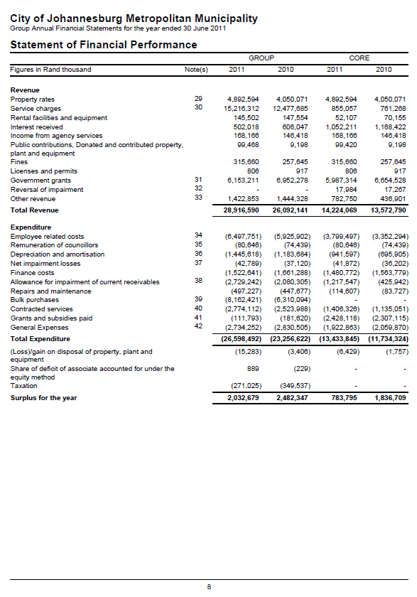
Contents!E9

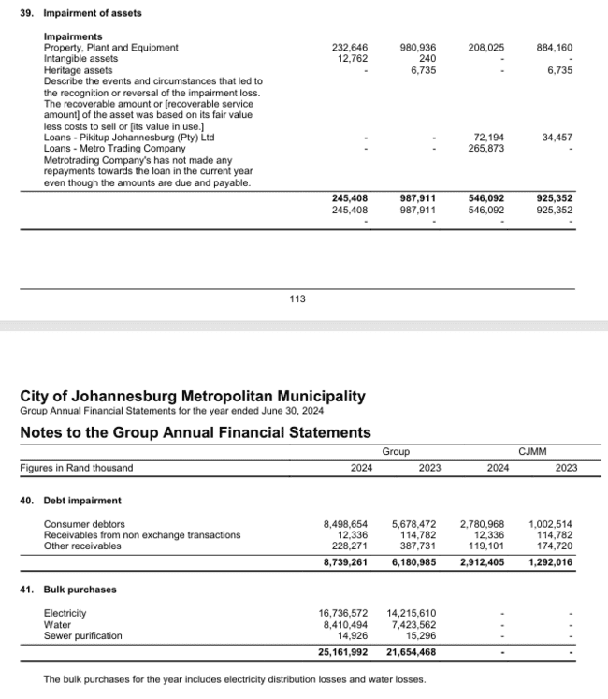
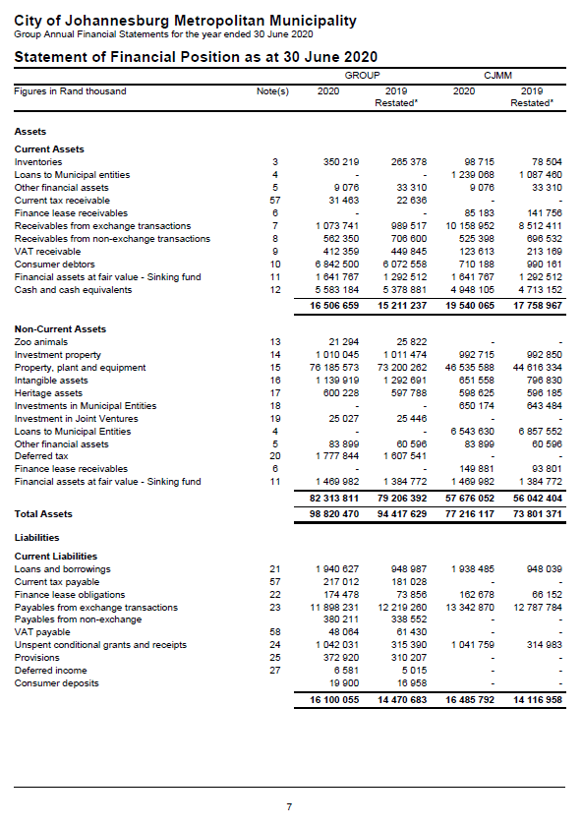




 |  | Purchase of Capital Assets (proxy for Annual Infrastructure Development Spend)

CoJ Dept'l Finance Report 2023



City of Joburg
Extracts from Department Finance Report 2023 | Contents!E9
5-Nov-23

